PovertyReport
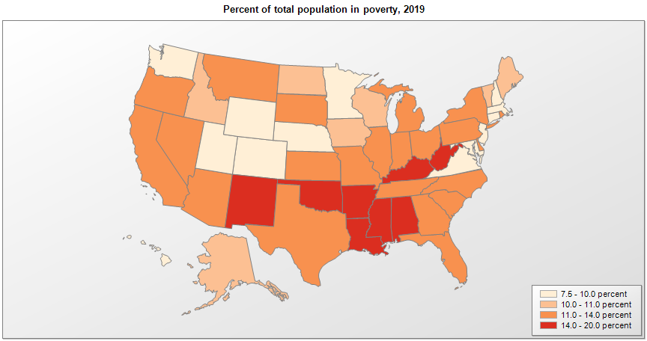
 | Percent | Number

 |  |  | All people in poverty (2019) |  |  | Children ages 0-17 in poverty (2019)
 |  |  |  | 90% confidence interval of estimate |  |  | 90% confidence interval of estimate
Name |  |  | Percent | Lower Bound | Upper Bound | Percent | Lower Bound | Upper Bound
Alabama |  |  | 15.6 | 15.2 | 16 | 21.9 | 21.1 | 22.7
Alaska |  |  | 10.2 | 9.6 | 10.8 | 13.2 | 12.2 | 14.2
Arizona |  |  | 13.5 | 13.2 | 13.8 | 19.2 | 18.4 | 20
Arkansas |  |  | 16 | 15.6 | 16.4 | 21.7 | 20.8 | 22.6
California |  |  | 11.8 | 11.7 | 11.9 | 15.6 | 15.3 | 15.9
Colorado |  |  | 9.4 | 9.1 | 9.7 | 11.2 | 10.5 | 11.9
Connecticut |  |  | 9.9 | 9.6 | 10.2 | 13.5 | 12.7 | 14.3
Delaware |  |  | 11.2 | 10.6 | 11.8 | 16.3 | 15.2 | 17.4
District of Columbia |  |  | 14.1 | 13.2 | 15 | 20.8 | 17.6 | 24
Florida |  |  | 12.7 | 12.5 | 12.9 | 18.2 | 17.6 | 18.8
Georgia |  |  | 13.5 | 13.2 | 13.8 | 19.5 | 18.8 | 20.2
Hawaii |  |  | 9 | 8.5 | 9.5 | 11.2 | 10.1 | 12.3
Idaho |  |  | 11 | 10.5 | 11.5 | 12.7 | 11.8 | 13.6
Illinois |  |  | 11.4 | 11.2 | 11.6 | 15.6 | 15.1 | 16.1
Indiana |  |  | 11.9 | 11.6 | 12.2 | 15.1 | 14.4 | 15.8
Iowa |  |  | 11 | 10.6 | 11.4 | 12.8 | 12.1 | 13.5
Kansas |  |  | 11.3 | 11 | 11.6 | 14.3 | 13.6 | 15
Kentucky |  |  | 16 | 15.6 | 16.4 | 20.9 | 20.1 | 21.7
Louisiana |  |  | 18.8 | 18.4 | 19.2 | 26.4 | 25.5 | 27.3
Maine |  |  | 10.9 | 10.4 | 11.4 | 13.8 | 12.9 | 14.7
Maryland |  |  | 9.1 | 8.9 | 9.3 | 12.3 | 11.6 | 13
Massachusetts |  |  | 9.5 | 9.3 | 9.7 | 12 | 11.3 | 12.7
Michigan |  |  | 12.9 | 12.7 | 13.1 | 17.5 | 16.9 | 18.1
Minnesota |  |  | 8.9 | 8.7 | 9.1 | 11 | 10.4 | 11.6
Mississippi |  |  | 19.5 | 19 | 20 | 27.6 | 26.5 | 28.7
Missouri |  |  | 12.9 | 12.6 | 13.2 | 17 | 16.4 | 17.6
Montana |  |  | 12.6 | 12.1 | 13.1 | 15.4 | 14.4 | 16.4
National |  |  | 12.3 | 12.2 | 12.4 | 16.8 | 16.6 | 17
Nebraska |  |  | 9.9 | 9.5 | 10.3 | 11.5 | 10.7 | 12.3
Nevada |  |  | 12.7 | 12.3 | 13.1 | 17.6 | 16.7 | 18.5
New Hampshire |  |  | 7.5 | 7 | 8 | 8.1 | 7.2 | 9
New Jersey |  |  | 9.1 | 8.9 | 9.3 | 12.2 | 11.6 | 12.8
New Mexico |  |  | 17.5 | 17 | 18 | 23.5 | 22.4 | 24.6
New York |  |  | 13.1 | 12.9 | 13.3 | 18.2 | 17.7 | 18.7
North Carolina |  |  | 13.6 | 13.4 | 13.8 | 19.3 | 18.7 | 19.9
North Dakota |  |  | 10.5 | 9.9 | 11.1 | 10.9 | 9.9 | 11.9
Ohio |  |  | 13 | 12.8 | 13.2 | 18.1 | 17.5 | 18.7
Oklahoma |  |  | 15.1 | 14.8 | 15.4 | 19.7 | 19.1 | 20.3
Oregon |  |  | 11.5 | 11.2 | 11.8 | 13.6 | 12.8 | 14.4
Pennsylvania |  |  | 12 | 11.8 | 12.2 | 16.5 | 15.9 | 17.1
Rhode Island |  |  | 11.6 | 11 | 12.2 | 16.5 | 15.3 | 17.7
South Carolina |  |  | 13.9 | 13.5 | 14.3 | 19.9 | 19.1 | 20.7
South Dakota |  |  | 11.9 | 11.4 | 12.4 | 14.9 | 13.9 | 15.9
Tennessee |  |  | 13.8 | 13.5 | 14.1 | 19.4 | 18.7 | 20.1
Texas |  |  | 13.6 | 13.4 | 13.8 | 19.2 | 18.8 | 19.6
Utah |  |  | 8.8 | 8.5 | 9.1 | 9.6 | 8.9 | 10.3
Vermont |  |  | 10.1 | 9.5 | 10.7 | 10.8 | 9.8 | 11.8
Virginia |  |  | 9.9 | 9.7 | 10.1 | 13.3 | 12.7 | 13.9
Washington |  |  | 9.8 | 9.5 | 10.1 | 12 | 11.4 | 12.6
West Virginia |  |  | 16.2 | 15.7 | 16.7 | 20.8 | 19.8 | 21.8
Wisconsin |  |  | 10.4 | 10.2 | 10.6 | 13.5 | 12.9 | 14.1
Wyoming |  |  | 9.9 | 9.2 | 10.6 | 11.7 | 10.6 | 12.8

See the county-level poverty rates from the 1990 and 2000 Census of Population. See important notes about intercensal model-based poverty estimates. The 2013 rural-urban continuum codes classify metropolitan counties (codes 1 through 3) by size of the Metropolitan Statistical Area (MSA), and nonmetropolitan counties (codes 4 through 9) by degree of urbanization and proximity to metro areas. See rural-urban continuum codes for precise definitions of each code. Source: Census Bureau, Small Area Income and Poverty Estimates.

